Machine Lookup Table
 | Description | Picture | Other Names/Applications | Machine Category | Activity
Anchor | Device used for keeping an object fixed in position | 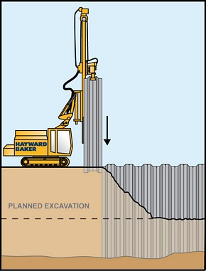 | Spike, Stake, Sheets used in piling operations, anchoring of pipelines | Anchor | Piling, Other, Unknown
Back Actor | Has a Two part articulated arm, typically on the back of a front loader. Excavates drawing earth backwards, i.e. a motion opposite to a shovel or bulldozer. Examples shown are Back Actor Loaders | 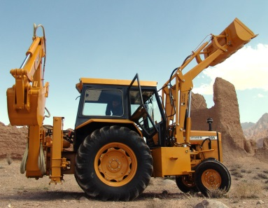 | Backhoe, Digger | Digger | Agricultural, Digging, Other, Unknown
Backhoe | Has a Two part articulated arm, typically on the back of a front loader. Excavates drawing earth backwards, i.e. a motion opposite to a shovel or bulldozer. Examples shown are Backhoe Loaders | 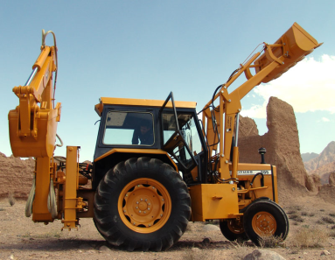 | Back Actor, Digger | Digger | Agricultural, Digging, Other, Unknown
Boat/Ship Anchor | Device used for keeping a floating vessel from drifting | 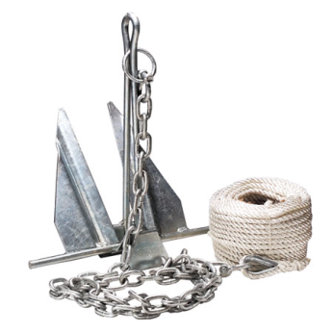 | Mooring | Anchor | Other, Unknown
Bulldozer | Vehicle with a blade for clearing ground, can have either wheels or tracks | 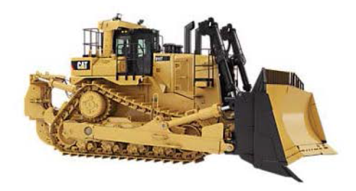 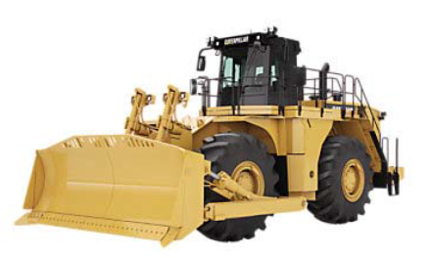 | Dozer, Wheeled Dozer | Bulldozer | Other, Unknown
Compactor | Machine used to reduce the size of waste material through compaction | 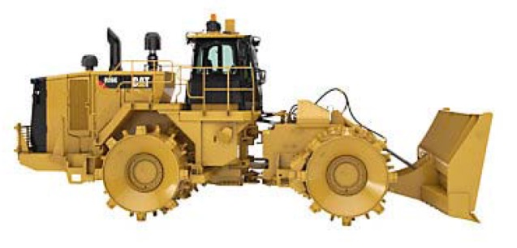 | None known | Other | Other, Unknown
Digger | Machine used to move soil to above ground level |  | Back Actor, Backhoe, Drainlayer/Trencher, Exacvator | Digger | Agricultural, Digging, Other, Unknown
Dragline | Consists of a large bucket suspended from a boom with wire ropes. Bucket is drawn horizontally by a dragrope and supported by a hoist rope | 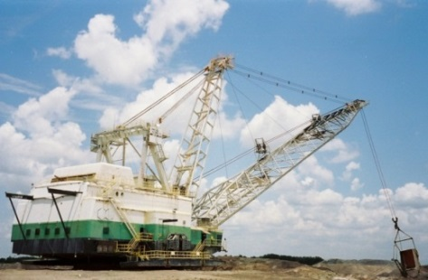 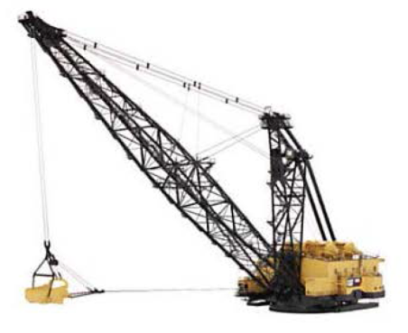 | Excavator | Digger | Digging, Other, Unknown
Drainlayer/Trencher | Used to dig for either cables, pies or drains. Wheel and Chain type avaiable. Size can vary | 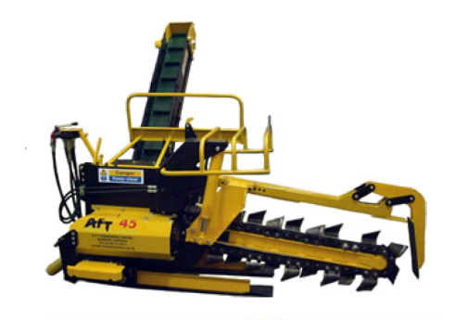 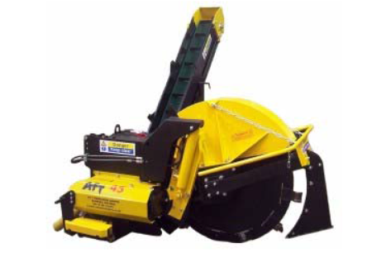 | None known | Digger | Agricultural, Digging, Other, Unknown
Drill | Tool or bit which rotates creating a tunnel or borehole in the ground in a horizontal or vertical direction | 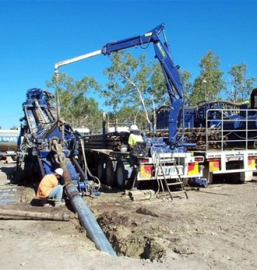 | Puematic Drill | Drill | Drilling, Other, Unknown
Electric Rope Shovel | Machine which digs upwards, then swings to dump material in a specified location | 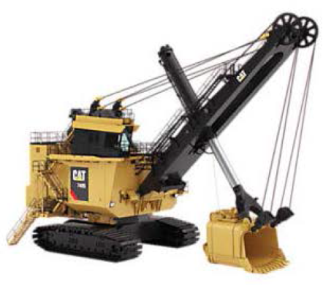 | Stripping Shovel, Front Shovel, Electric Mining Shovel | Digger | Digging, Other, Unknown
Excavator | Machine used to move soil to above ground level | 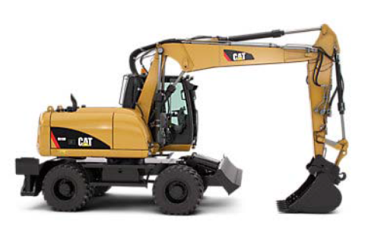 | Dragline, Backhoe, Back Actor | Digger | Digging, Other, Unknown
Excavator <25t | Machine used to move soil to above ground level, can have wheels or tracks |  | Digger, Backhoe, Back Actor | Digger | Agricultural, Digging, Other, Unknown
Excavator >25t | Machine used to move soil to above ground level | 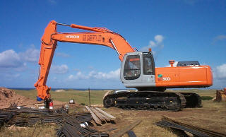 | Dragline, Excavator, Backhoe, Back Actor | Digger | Digging, Other, Unknown
Loader | Machine used to transport excavated material, can either have wheels or tracks | 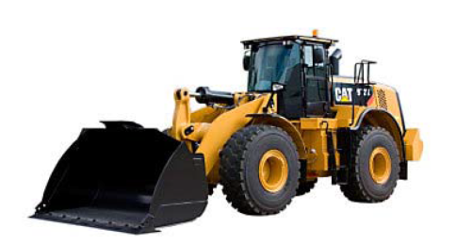 | Skid Steer Loader | Digger | Agricultural, Digging Other, Unknown
Lorry | Vehicle that transports objects/material | 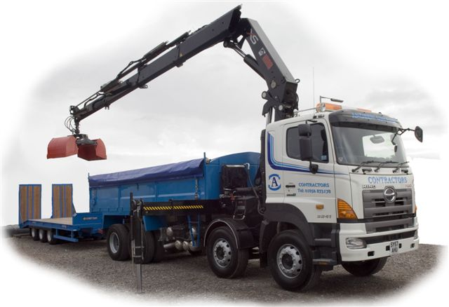 | Numerous | Other | Agricultural, Other, Unknown
Mechanical Hammer | Tool bit or device applying a precussive motion in the vertical plane | 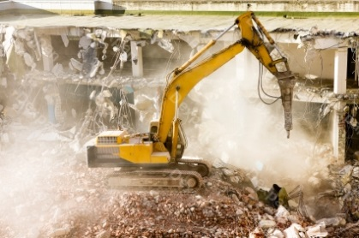 | Jackhammer, Pneumatic drill | Drill | Other, Unknown
Mole Plough (Plow) | Normally an attachment to the rear of a vehicle. Breaks up soil to a depth of around 60 cm | 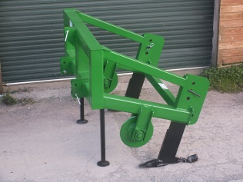 | Sub soiler | Other | Agriculural, Other, Unknown
Other | Device or vehicles used for above ground operations | N/A | Mole plough, Lorry, Plough, Side Boomlayer, Sludge Pump, Soil Stabiliser, Torch, Tracks | Other | Other, Unknown
Plough (Plow) | Modifies the soil surface up to depths of around 25 cm | 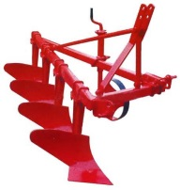 | None known | Other | Agricultural, Other, Unknown
Pneumatic Drill | Tool bit or device applying a precussive motion in the vertical plane |  | Mechanical hammer, Jackhammer | Drill | Other, Unknown
Ripper | Tool for tearing up surfaced areas (slabs, concrete roads etc.), normally fitted to the rear of a bulldozer | 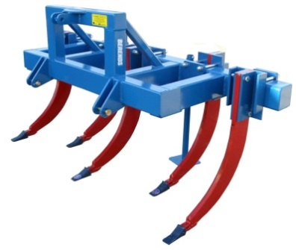 | None known | Digging | Digger, Other, Unknown
Scraper | A vehicle which moves earth over short distances (upto 2 miles) across smooth areas. A blade on the bottom scrapes up material and is collected within a the vechicle. Normally used in highway construction | 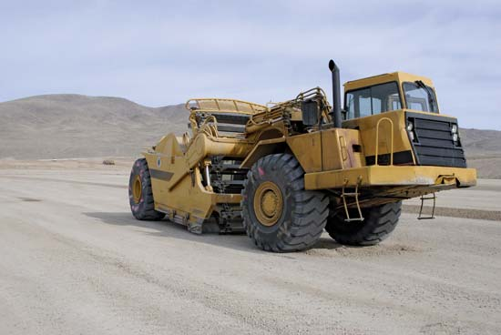 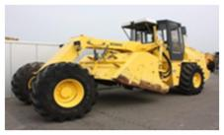 | None known | Digger | Digging, Other, Unknown
Sheetpiler | Machine used to metallic sheets into soft soils |  | Anchor | Anchor | Piling, Other, Unknown
Shovel | Hand held tool for moving soil | 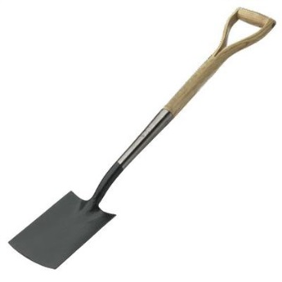 | Spade | Digger | Digging, Other, Unknown
Side Boomlayer | Used for carrying pipelines | 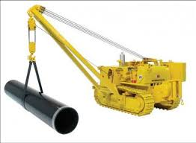 | None known | Other | Other
Sludge Pump | Machine used for the removal corrosive/abrasive material. Can be incorporated with a purpsoe made vehicle or as an attachment to a vehicle | 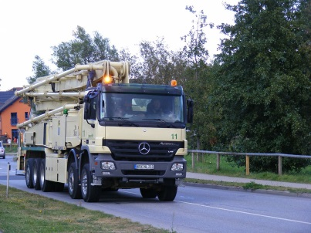 | None known | Other | Agricultural, Other
Soil Stabiliser | Vehicle (but can be used as a trailer) which has a powered metal drum with blades or padles which blends soil and a binder agent | 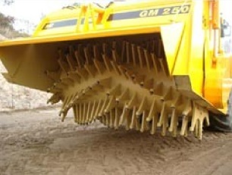 | Similar to a Road Pavement Mill, Road Reclaimer/Recycler | Other | Agricultural, Other, Unknown
Spike | Spikes are long, thick, sharp-pointed fasteners made of metal or plastic. They are similar to heavy nails and used in railroad ties and other heavy-duty construction applications. There are many types of spikes. |  | Anchor, Stake | Anchor | Other, Unknown
Torch | Used by welders | 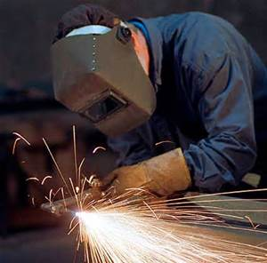 | None known | Other | Other, Unknown
Tracks | Caterpillar track wheels | 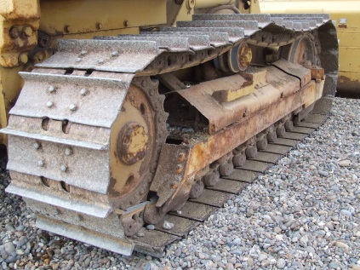 | None known | Other | Other, Unknown
Unknown | Information not known |  | N/A | Unknown | Unknown

